NonStop CG
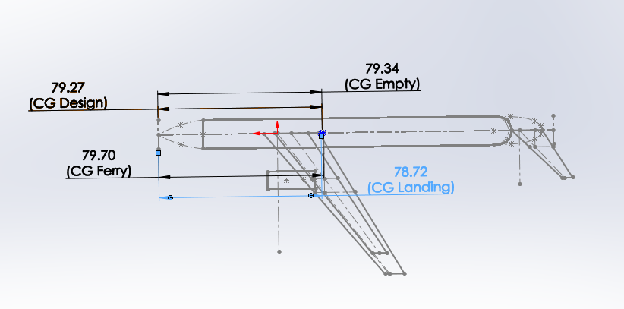
TOGW | 393945
 | COEFS | Weight |  |  | Configurations | Cargo | Fuel | PAX |  |  | Cargo Size |  |  | Landing Gear: |  | Passangers: |  |  | Lavs | Galley | LD-W
Wing | 0.0081158846543 | 39434.959522 |  |  | Design |  |  |  |  |  | 500 | ft^3 |  | 49243.125 | Load per wheel | 1st Class | 11.25 | 12 | 0.5625 | 3.375 | 2303
Fuselage | 1836.3415413 | 37921.090958 |  |  | Empty |  |  |  |  |  |  |  |  | 56 x 16 | main gear tire size | Econ | 171 |  | 3.42 | 12.825 | 1116
Landing Gear | 0.04 | 15757.8 |  |  | Ferry |  |  |  |  |  |  |  |  | 29545.875 | Load per wheel | Business | 42.75 | 42 | 1.2214285714 | 8.55 | 83.694270833
Nacel + Pylon | 0.018153223585 | 7151.3716652 |  |  | Landing |  |  |  |  |  |  |  |  | 44 x 14 | nose gear tire size |  |  |  | 5.2039285714 | 24.75 | 5.9741245729
Tails | 0.001596123982 | 7755.5420393 |  |  |  |  |  |  |  |  |  |  |  |  |  |  |  |  |  |  | 502.165625
PP | 0.091364555765 | 35992.609921 |  |  |  |  |  |  |  |  |  |  |  |  |  | Exits: | 364.5
Fixed Equip | 0.035 | 46828.075 | 33040 |  |  |  |  |  |  |  |  |  |  |  |  | Type A: | 110 | 220
Fuel | 0.4387425 | 172840.41416 |  |  |  |  |  |  |  |  |  |  |  |  |  | Type I: | 45 | 3.2111111111
Passanger | 54375 | 54375
Cargo |  | 6000 |  | 424056.86327

Component | Design |  |  | Empty |  |  | Ferry |  |  | Landing
 | Weight | Length | Moment | Weight | Length | Moment | Weight | Length | Moment | Weight | Length | Moment | CG Design | 179.27308953
Wing | 39434.959522 | 180 | 7098292.7139 | 39434.959522 | 180 | 7098292.7139 | 39434.959522 | 180 | 7098292.7139 | 39434.959522 | 180 | 7098292.7139 | CG Empty | 179.33804419
Fuselage | 37921.090958 | 176.4 | 6689280.4449 | 37921.090958 | 176.4 | 6689280.4449 | 37921.090958 | 176.4 | 6689280.4449 | 37921.090958 | 176.4 | 6689280.4449 | CG Ferry | 179.69065993
Landing Gear | 15757.8 | 180 | 2836404 | 15757.8 | 180 | 2836404 | 15757.8 | 180 | 2836404 | 15757.8 | 180 | 2836404 | CG Landing | 178.7179239
Nacel + Pylon | 7151.3716652 | 161.64 | 1155947.716 | 7151.3716652 | 161.64 | 1155947.716 | 7151.3716652 | 161.64 | 1155947.716 | 7151.3716652 | 161.64 | 1155947.716
Tails | 7755.5420393 | 283.45 | 2198308.391 | 7755.5420393 | 283.45 | 2198308.391 | 7755.5420393 | 283.45 | 2198308.391 | 7755.5420393 | 283.45 | 2198308.391
PP | 35992.609921 | 161.64 | 5817845.4676 | 35992.609921 | 161.64 | 5817845.4676 | 35992.609921 | 161.64 | 5817845.4676 | 35992.609921 | 161.64 | 5817845.4676 | Forward | 178.551056
Fixed Equip | 46828.075 | 180 | 8429053.5 | 46828.075 | 180 | 8429053.5 | 46828.075 | 180 | 8429053.5 | 46828.075 | 180 | 8429053.5 | AFT | 181.448944
Fuel | 172840.41416 | 180.08 | 31125101.782 | 0 | 180.08 | 0 | 172840.41416 | 180.08 | 31125101.782 | 0 | 180.08 | 0
Passanger | 54375 | 176.4 | 9591750 | 0 | 176.4 | 0 | 0 | 176.4 | 0 | 54375 | 176.4 | 9591750
Cargo | 6000 | 180 | 1080000 | 0 | 180 | 0 | 0 | 180 | 0 | 6000 | 180 | 1080000
Sum | 424056.86327 |  | 76021984.016 | 190841.4491 |  | 34225132.233 | 363681.86327 |  | 65350234.016 | 251216.4491 |  | 44896882.233
 | delta 1/4 MAC |  | 0.72691046642
 |  | 180

OneStop CG
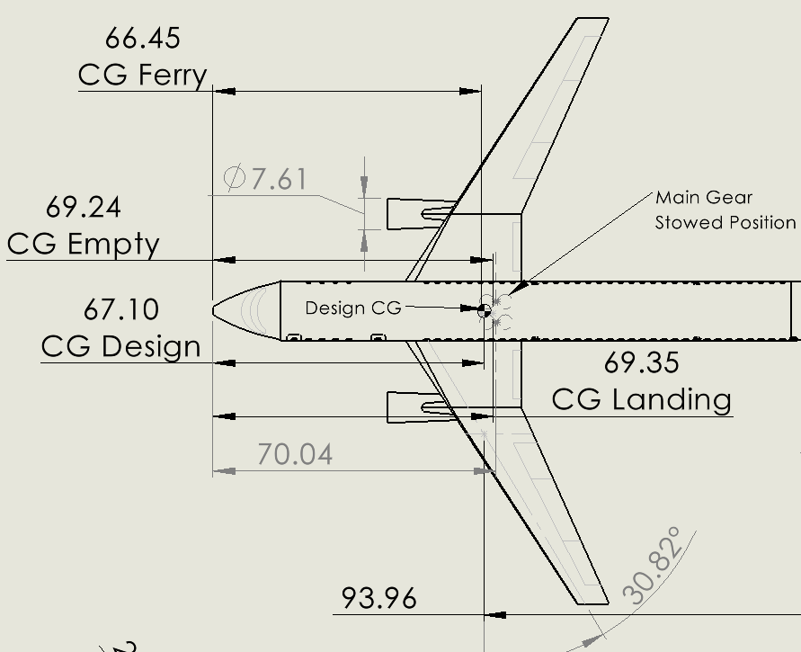
TOGW | 241715
 | COEFS | Weight |  |  | Configurations | Cargo | Fuel | PAX |  |  | Cargo Size |  |  | Landing Gear: |  |  |  | Passangers: |  |  | Lavs | Galley | LD-W
Wing | 0.010592996544 | 28712.210881 |  |  | Design |  |  |  |  |  | 250 | ft^3 |  | 30214.375 | Load per wheel |  |  | 1st Class | 18 |  | 0.9 | 5.4 | 2303
Fuselage | 1757.8183645 | 32363.117041 |  |  | Empty |  |  |  |  |  |  |  |  | 44 x 16 | main gear tire size |  |  | Econ | 207 |  | 4.14 | 15.525 | 1116
Landing Gear | 0.04 | 9668.6 |  |  | Ferry |  |  |  |  |  |  |  |  | 18128.625 | Load per wheel |  |  |  |  |  | 5.04 | 20.925 | 83.694270833 | ft^3
Nacel + Pylon | 0.018433691375 | 4455.6997107 |  |  | Landing |  |  |  |  |  |  |  |  | 40 x 14 | nose gear tire size |  |  |  |  |  |  |  | 2.9870622865 | containers needed
Tails | 0.0020832893204 | 5646.7348065 |  |  |  |  |  |  |  |  |  |  |  |  |  |  |  | Exits: | 450
PP | 0.092776140596 | 22425.384824 |  |  |  |  |  |  |  |  |  |  |  |  |  |  |  | Type A: | 110 | 220
Fixed Equip | 0.035 | 40130.025 | 31670 |  |  |  |  |  |  |  |  |  |  |  |  |  |  | Type I: | 45 | 5.1111111111
Fuel | 0.2722875 | 65815.973063
Passanger | 51375 | 51375
Cargo |  | 3000 |  | 263592.74533

Component | Design |  |  | Empty |  |  | Ferry |  |  | Landing
 | Weight | Length | Moment | Weight | Length | Moment | Weight | Length | Moment | Weight | Length | Moment | CG Design | 168.39581681 |  | 68.395816812 | 820.74980174
Wing | 28712.210881 | 168.3 | 4832265.0912 | 28712.210881 | 168.3 | 4832265.0912 | 28712.210881 | 168.3 | 4832265.0912 | 28712.210881 | 168.3 | 4832265.0912 | CG Empty | 169.24446198
Fuselage | 32363.117041 | 169.6 | 5488784.6502 | 32363.117041 | 169.6 | 5488784.6502 | 32363.117041 | 169.6 | 5488784.6502 | 32363.117041 | 169.6 | 5488784.6502 | CG Ferry | 168.07281619
Landing Gear | 9668.6 | 168.3 | 1627225.38 | 9668.6 | 168.3 | 1627225.38 | 9668.6 | 168.3 | 1627225.38 | 9668.6 | 168.3 | 1627225.38 | CG Landing | 169.3528285
Nacel + Pylon | 4455.6997107 | 152 | 677266.35603 | 4455.6997107 | 152 | 677266.35603 | 4455.6997107 | 152 | 677266.35603 | 4455.6997107 | 152 | 677266.35603
Tails | 5646.7348065 | 262.43 | 1481872.6153 | 5646.7348065 | 262.43 | 1481872.6153 | 5646.7348065 | 262.43 | 1481872.6153 | 5646.7348065 | 262.43 | 1481872.6153
PP | 22425.384824 | 152 | 3408658.4933 | 22425.384824 | 152 | 3408658.4933 | 22425.384824 | 152 | 3408658.4933 | 22425.384824 | 152 | 3408658.4933 | Forward | 167.07063497
Fixed Equip | 40130.025 | 168.3 | 6753883.2075 | 40130.025 | 168.3 | 6753883.2075 | 40130.025 | 168.3 | 6753883.2075 | 40130.025 | 168.3 | 6753883.2075 | AFT | 169.52936503
Fuel | 65815.973063 | 165.52 | 10893859.861 | 0 | 165.52 | 0 | 65815.973063 | 165.52 | 10893859.861 | 0 | 165.52 | 0
Passanger | 51375 | 169.6 | 8713200 | 0 | 169.6 | 0 | 0 | 169.6 | 0 | 51375 | 169.6 | 8713200
Cargo | 3000 | 170.3 | 510900 | 0 | 170.3 | 0 | 0 | 170.3 | 0 | 3000 | 170.3 | 510900
Sum | 263592.74533 |  | 44387915.655 | 143401.77226 |  | 24269955.794 | 209217.74533 |  | 35163815.655 | 197776.77226 |  | 33494055.794
 | delta 1/4 MAC |  | -0.095816811764
 |  | 158.98

